Emi
 |  |  |  |  |  |  | *The factor for COHRSV and COLRSV comes from EU-TIMES
CommName | GASPIP | OILPIP | COHRSV | COLRSV
SUPCO2N | 11 | 17 | 96 | 96 |  |  | *https://www.iea.org/reports/emissions-from-oil-and-gas-operations-in-net-zero-transitions#overview
 |  |  |  |  |  |  | *To convert barrels of oil to petajoules (PJ), you need to know the energy content of the oil. The energy content varies depending on the type of oil. On average, one barrel of oil contains about 6.1 gigajoules (GJ) or 0.0061 petajoules (PJ) of energy. So, 1 barrel of oil is approximately 0.0061 PJ. | 17.049180328

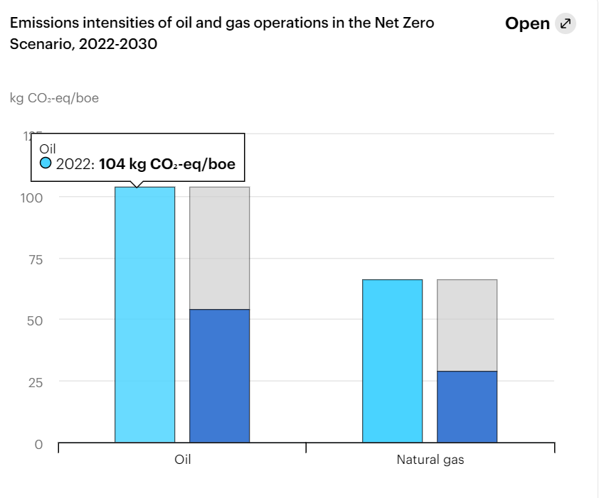

 |  |  | SUPBIO | 15
 |  |  | SUPCOA | 104
 |  |  | SUPCRD | 78
 |  |  | SUPGAS | 0
 |  |  | SUPRPG | 59
 |  |  | SUPRPP | 172

~COMEMI
CommName | COAHAR | COALIG | COACOK | COABRO | OILCRD | GASNAT
SUPCO2N | 95.00 | 95.00 | 95.00 | 95.00 | 78.00 | 56.00

